2015-2021
Ethnicity | Gender | Age | SY
White | F | 64 | 2015-16 | Row Labels | Count of Ethnicity
White | F | 65 | 2015-16 | African American | 15
White | M | 69 | 2015-16 | Africian American | 6 | Male
White | F | 62 | 2015-16 | Asian | 5 | Sample | Population
Black or African American | M | 49 | 2015-16 | Black or African American | 26 | 58 | 956
Black or African American | M | 34 | 2015-16 | Chinese | 2 | 112 | 3041
Asian | F | 59 | 2015-16 | Declined to State | 1 | 52% | 31%
Asian | M | 62 | 2015-16 | Hawaiian | 1
Black or African American | M | 38 | 2015-16 | Hispanic | 6
Black or African American | F | 53 | 2015-16 | Hispanic or Latino | 3
Hispanic or Latino | F | 66 | 2015-16 | Hispanic or Latino of any race | 2 | Black
White | F | 78 | 2015-16 | Japanese | 1 | Sample | Population
Black or African American | F | 32 | 2015-16 | Non Hispanic or Latino of any race | 2 | 47 | 624
Black or African American | F | 60 | 2015-16 | Undeclared | 2 | 112 | 3041
Black or African American | M | 51 | 2015-16 | Vietnamese | 1 | 42% | 21%
Black or African American | M | 64 | 2016-17 | White | 39
Hispanic or Latino | M | 30 | 2016-17 | Grand Total | 112
Black or African American | F | 31 | 2016-17
White | M | 35 | 2016-17 | Row Labels | Count of Gender | 46 or Greater |  | 40 or Greater
Black or African American | M | 66 | 2016-17 | F | 54 | Sample | Population | Sample | Population
Black or African American | F | 63 | 2016-17 | M | 58 | 67 | 999 | 80 | 1363
Black or African American | F | 36 | 2016-17 | Grand Total | 112 | 112 | 3041 | 112 | 3041
Black or African American | M | 65 | 2016-17 |  |  | 60% | 33% | 71% | 45%
Black or African American | F | 62 | 2016-17
White | M | 36 | 2016-17 | Row Labels | Count of Age
Black or African American | M | 45 | 2016-17 | 27 | 2
Hispanic or Latino | M | 55 | 2016-17 | 29 | 1 | MALES |  |  |  | BLACK | 46 OR GREATER
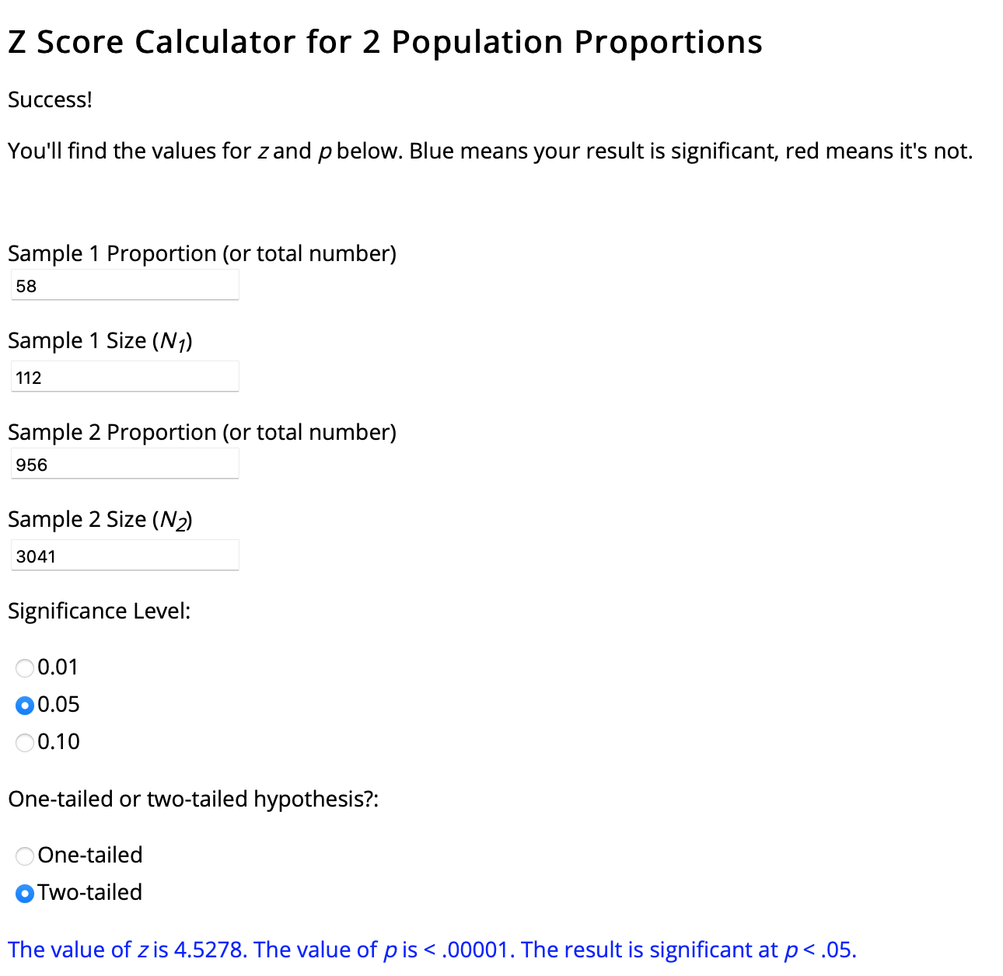
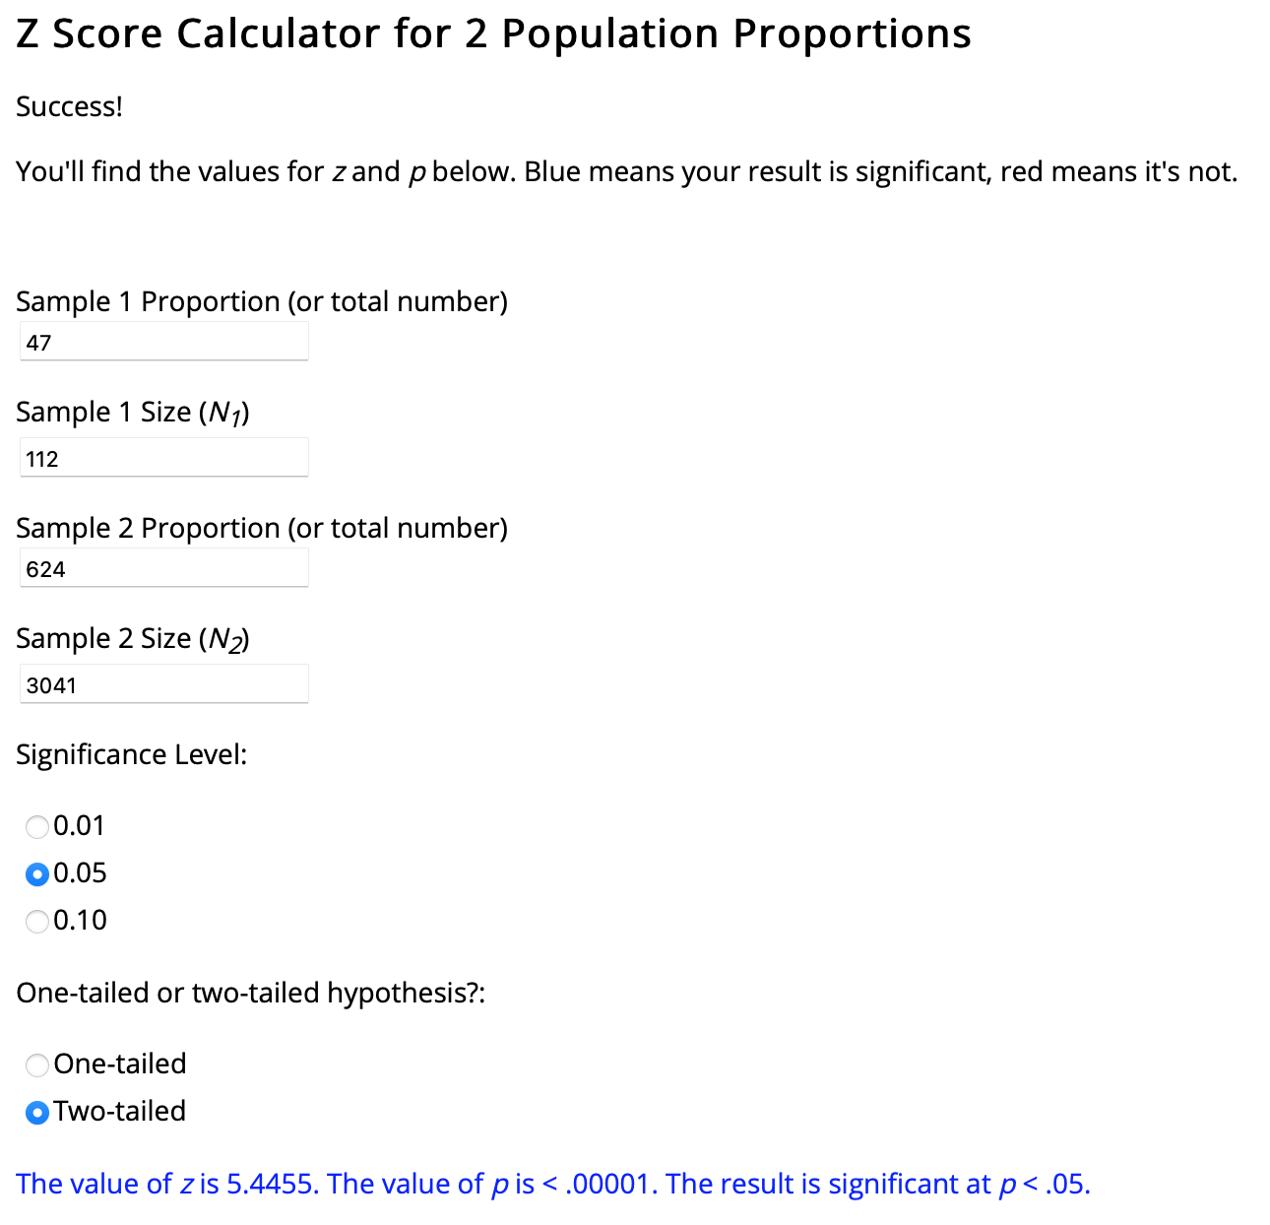
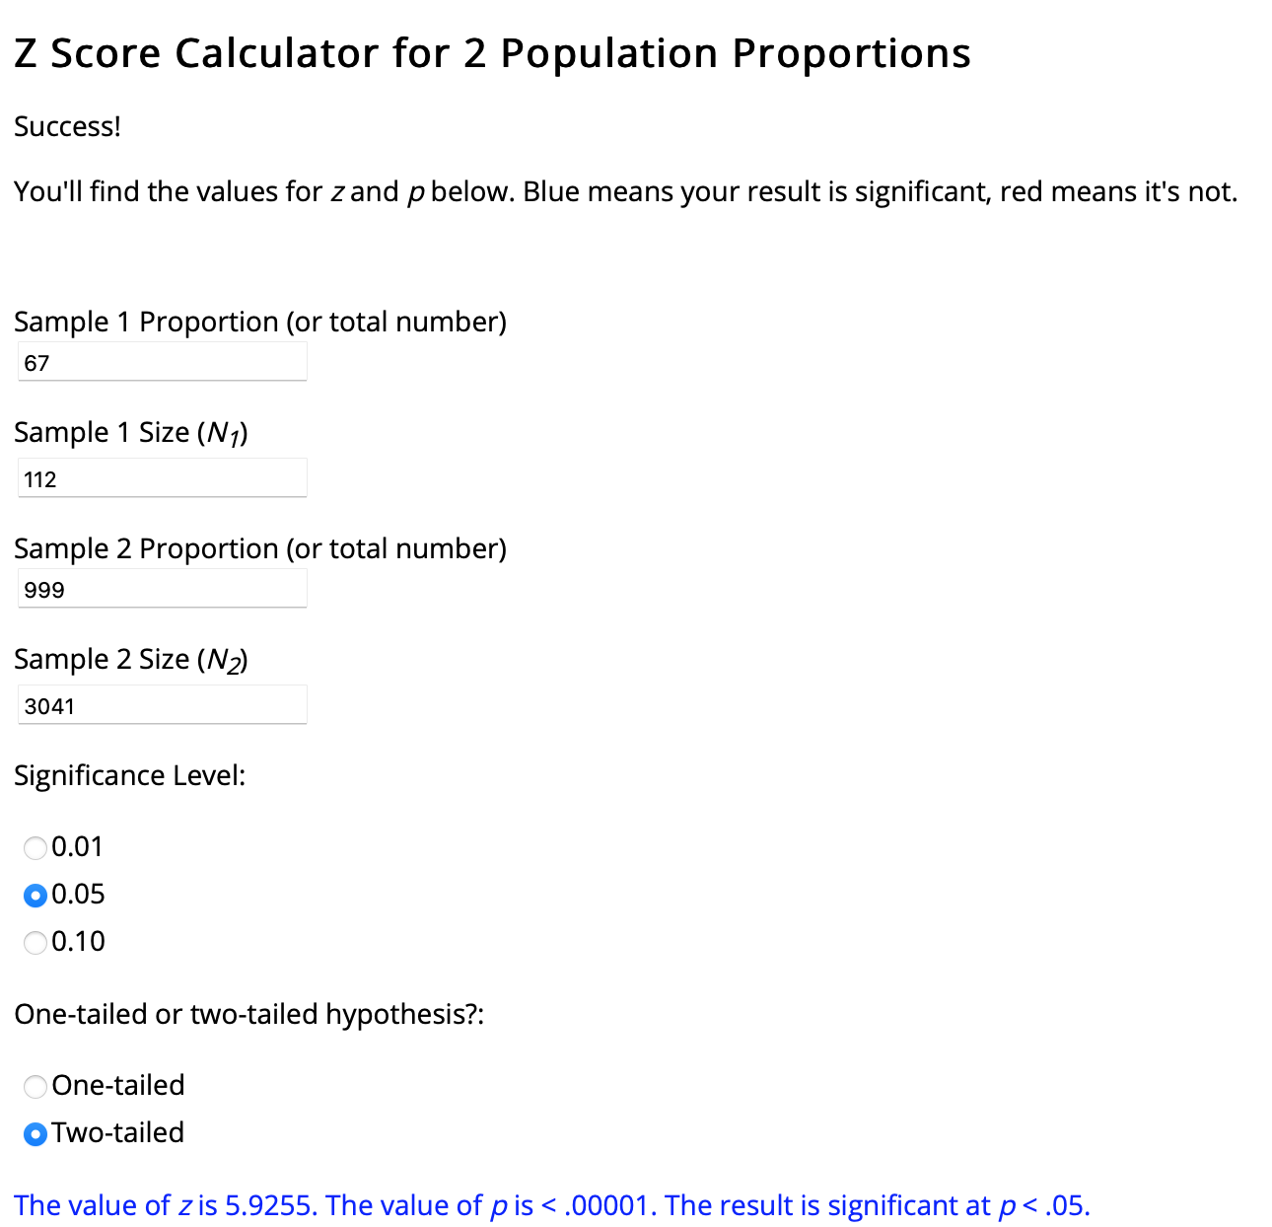
White | F | 33 | 2016-17 | 29.633333333 | 1
Black or African American | F | 58 | 2016-17 | 29.858333333 | 1
Black or African American | F | 67 | 2016-17 | 30 | 2
Black or African American | F | 41 | 2016-17 | 30.508333333 | 1
White | M | 47 | 2016-17 | 30.533333333 | 1
Black or African American | M | 48 | 2016-17 | 31 | 2
White | F | 47 | 2016-17 | 32 | 1
White | M | 38 | 2016-17 | 32.825 | 1
Asian | F | 70 | 2016-17 | 33 | 2
Black or African American | F | 59 | 2016-17 | 34 | 4
Black or African American | M | 30 | 2016-17 | 35 | 3
White | F | 58 | 2016-17 | 35.186111111 | 1
Black or African American | M | 43 | 2016-17 | 35.575 | 1
White | M | 34 | 2016-17 | 36 | 1
Black or African American | M | 61 | 2016-17 | 36.152777778 | 1
White | F | 31 | 2016-17 | 37 | 1
Black or African American | M | 65 | 2016-17 | 37.505555556 | 1
White | M | 56 | 2016-17 | 37.852777778 | 1
Black or African American | M | 68 | 2016-17 | 38 | 2
White | M | 40 | 2016-17 | 39 | 1
Asian | M | 58 | 2016-17 | 40 | 2
Black or African American | F | 59 | 2016-17 | 40.027777778 | 1
Asian | M | 48 | 2016-17 | 41 | 2
White | F | 38 | 2016-17 | 41.202777778 | 1
African American | M | 64 | 2016-17 | 42 | 2
Africian American | M | 36 | 2017-18 | 42.655555556 | 1
White | M | 55 | 2017-18 | 43 | 1
Undeclared | F | 27 | 2017-18 | 44 | 1
Hawaiian | F | 45 | 2017-18 | 45 | 1
Hispanic | F | 63 | 2017-18 | 45.225 | 1
White | F | 69 | 2017-18 | 46 | 1
White | M | 35 | 2017-18 | 47 | 1
Africian American | F | 40 | 2017-18 | 47.058333333 | 1
Africian American | M | 31 | 2017-18 | 47.238888889 | 1 | 40 or Greater
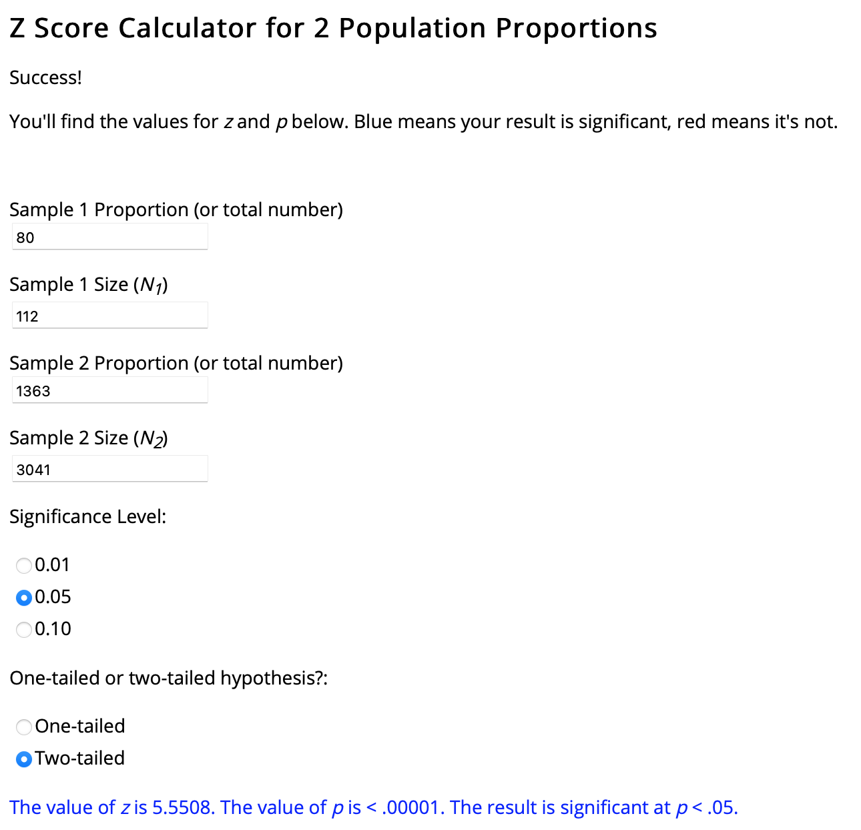
White | M | 65 | 2017-18 | 47.544444444 | 1
White | F | 41 | 2017-18 | 48.288888889 | 1
White | M | 47 | 2017-18 | 49 | 1
White | F | 65 | 2017-18 | 50 | 1
White | M | 35 | 2017-18 | 51 | 3
White | M | 56 | 2017-18 | 52 | 1
Africian American | M | 53 | 2017-18 | 53 | 4
Hispanic | M | 61 | 2017-18 | 55 | 1
Africian American | M | 66 | 2017-18 | 55.272222222 | 1
White | M | 52 | 2017-18 | 55.730555556 | 1
White | M | 53 | 2017-18 | 56 | 3
White | F | 53 | 2017-18 | 57 | 1
Hispanic | M | 58 | 2017-18 | 57.5 | 1
Africian American | M | 31 | 2017-18 | 57.847222222 | 1
Chinese | F | 65 | 2017-18 | 58 | 1
White | F | 65 | 2017-18 | 58.038888889 | 1
White | M | 34 | 2017-18 | 58.641666667 | 1
Hispanic | F | 50 | 2018-19 | 59 | 3
African American | F | 39 | 2018-19 | 59.3 | 1
Non Hispanic or Latino of any race | M | 56 | 2018-19 | 60 | 3
Vietnamese | M | 27 | 2018-19 | 60.505555556 | 1
White | F | 68 | 2018-19 | 61 | 1
African American | F | 34 | 2018-19 | 61.925 | 1
Japanese | M | 42 | 2018-19 | 62 | 2
White | F | 30 | 2018-19 | 62.777777778 | 1
White | M | 41 | 2018-19 | 63 | 1
African American | M | 33 | 2018-19 | 63.869444444 | 1
Chinese | F | 59 | 2018-19 | 64 | 3
White | M | 40 | 2018-19 | 65 | 5
White | F | 35 | 2018-19 | 65.022222222 | 1
Hispanic | F | 37 | 2018-19 | 65.347222222 | 1
African American | F | 51 | 2018-19 | 65.761111111 | 1
Undeclared | F | 56 | 2018-19 | 66 | 2
White | M | 33 | 2018-19 | 67.211111111 | 1
African American | F | 46 | 2018-19 | 68 | 2
African American | F | 69 | 2019-20 | 68.213888889 | 1
Declined to State | M | 30 | 2019-20 | 69 | 5
White | F | 69 | 2019-20 | 70.236111111 | 1
African American | M | 29 | 2019-20 | 78 | 1
White | F | 68 | 2019-20 | Grand Total | 112
African American | F | 60 | 2019-20
Hispanic | F | 51 | 2019-20
African American | M | 59 | 2019-20
African American | F | 64 | 2019-20
Hispanic or Latino of any race | F | 69 | 2019-20
Hispanic or Latino of any race | M | 38 | 2019-20
African American | M | 42 | 2020-21
African American | F | 60 | 2020-21
Non Hispanic or Latino of any race | M | 43 | 2020-21
African American | M | 57 | 2020-21
African American | F | 44 | 2020-21

